Sheet1
 |  |  |  |  | 3.1.1 Feed-forward computation: |  |  | f(x) | sigmoid function
 |  |  |  |  | Hidden layer | N1, 0 | f(x1) = f(W0, 0 ∗ N0, 0 + W0, 1 ∗ N0, 1) | 0.5 | 0.622459
N0,0 | N0,1 | Output N2,0 | Weight |  |  | N1, 1 | f(x2) = f(W0, 2 ∗ N0, 0 + W0, 3 ∗ N0, 1) | -0.2 | 0.450166
1 | 1 | 1 | W0, 0 | 0.4 | Feed forward computation | N2, 0 | f(x3) = f(W1, 0 ∗ n1, 0 + W1, 1 ∗ n1, 1) | -0.1427188 | 0.464381
1 | 0 | 0 | W0, 1 | 0.1
0 | 1 | 0 | W0, 2 | -0.1 | 3.1.2 Back propagation to the output layer
0 | 0 | 0 | W0, 3 | -0.1 | Error of N2,0 node | N2, 0 Error | N2, 0∗ (1− N2, 0) ∗ (N2, 0 Desired − N2, 0) |  | 0.133225
 |  |  | W1, 0 | 0.06 |  | ∆W1, 0 | β ∗ N2, 0Error ∗ N1, 0 |  | 0.037317
β = Learning rate = 0.45 |  |  | W1, 1 | -0.4 |  | W1, 0 New | W1, 0 old + ∆W1, 0 + (α ∗ ∆(t − 1)) |  | 0.097317 | The value of ∆(t − 1) is previous delta change of the weight. there is no previous delta change so it is always 0.
α = Momentum term = 0.9 |  |  | β | 0.45 |  | ∆W1, 1 | β ∗ N2, 0Error ∗ N1, 1 |  | 0.026988
sigmoid function: f(x) = 1.0 / {1.0 + exp(-x)} |  |  | α | 0.9 |  | W1, 1N ew | W1, 1Old + ∆W1, 1 + (α ∗ ∆(t − 1)) |  | -0.373012
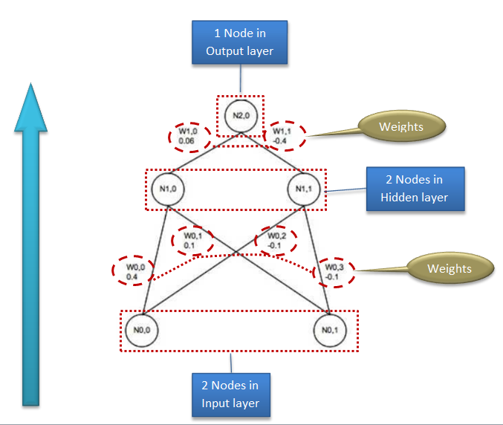
 |  |  |  |  | 3.1.3 Back propagation to the hidden layer
 |  |  |  |  |  | N1, 0Error | N2, 0Error ∗ W1, 0New |  | 0.012965
 |  |  |  |  |  | N1, 1Error | N2, 0Error ∗ W1, 1New |  | -0.049695
 |  |  |  |  |  | ∆W0, 0 | β ∗ N1, 0Error ∗ N0,0 |  | 0.005834
 |  |  |  |  |  | ∆W0, 1 | β ∗ N1, 0Error ∗ N0, 1 |  | 0.005834
 |  |  |  |  |  | ∆W0, 2 | β ∗ N1, 1Error ∗ N0, 0 |  | -0.022363
 |  |  |  |  |  | ∆W0, 3 | β ∗ N1, 1Error ∗ N0, 1 |  | -0.022363
 |  |  |  |  |  | W0, 0New | W0, 0old + ∆W0, 0 + (α ∗ ∆(t − 1)) |  | 0.405834
 |  |  |  |  |  | W0, 1New | W0, 1Old + ∆W0, 1 + (α ∗ ∆(t − 1)) |  | 0.105834
 |  |  |  |  |  | W0, 2New | W0, 2Old + ∆W0, 2 + (α ∗ ∆(t − 1)) |  | -0.122363
 |  |  |  |  |  | W0, 3New | W0, 3Old + ∆W0, 3 + (α ∗ ∆(t − 1)) |  | -0.122363

 |  |  |  |  | 3.1.4 Weight updates
 |  |  |  |  |  | N1, 0 | f(x1) = f(W0, 0 ∗ N0, 0 + W0, 1 ∗ N0, 1) | 0.51 | 0.625198
 |  |  |  |  |  | N1, 1 | f(x2) = f(W0, 2 ∗ N0, 0 + W0, 3 ∗ N0, 1) | -0.24 | 0.439122
 |  |  |  |  |  | N2, 0 | f(x3) = f(W1, 0 ∗ n1, 0 + W1, 1 ∗ n1, 1) | -0.10 | 0.474284
 |  |  |  |  |  | N2, 0 Error | N2, 0∗ (1− N2, 0) ∗ (N2, 0 Desired − N2, 0) |  | 0.131081

